Agenda
Advanced Excel Ninja
Data Analytics & MIS Reporting

Session - Lookup Functions

Basics of INDEX - [Pg. 57]
[Map and co-ordinates]

INDEX + 2 MATCH
[1st MATCH vertical and 2nd MATCH horizontal]

The use of this training model (Excel file) is intended solely as a learning aid for participants of Excel Next's training programs. Excel Next assumes no responsibility or liability whatsoever, to the client or to any third party, for any other use or purpose.
For Training Purposes Only
© Excel Next | All rights reserved
Immersive classroom programs: www.excelnext.in
Online Videos: www.yodalearning.com

B
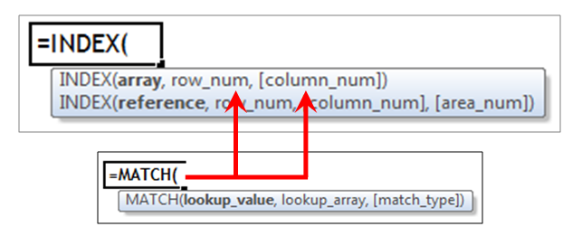
INDEX + MATCH

Product Name | Product 1
Location | NCR

Mumbai | Product Name | NCR
4,500 | Product 1 | 4,000
3,400 | Product 2 | 2,800
10,300 | Product 3 | 9,400
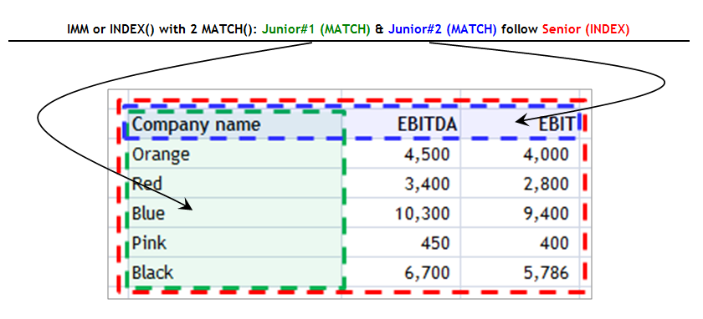
450 | Product 4 | 400
6,700 | Product 5 | 5,786

